1. Title Page
[Achievement 4 Analysis]

Project Name: Acheivement 4 Analysis
Date: 31/08/2021
Analyst Name: Azeez Babarinde

Contents:
Population Flow
Consistency checks
Wrangling steps
Column derivations
Visualizations
Recommendations

2. Population Flow
 |  | Title page

Population flow

Exclusion flag
Condition: max_order <
Obervations to be removed:
Final total count of order_products_all: 2000000,i reduced the rows to this becuase the datafram was too larfe and it is making my pc run out of memory

Orders_products_combined
Orders_products_merged
Orders_products_all

Total:
Total: 32404859
Total:
32404859 | 2000000

1.) The grey boxes in the first row of the population flow represent the original data sets as they were when you downloaded them. In the Total fields you need to add the count of the rows when you imported the data set into Jupyter.
2.) The second row of boxes (coloured) represents the data sets after you manipulated them, e.g., removed missing values and duplicates. In the Total fields you need to add the count of the rows after conducting these operations. This offers a visual oveview of how the data flows throughout the data consistency checks.
3.) The third row, where also the arrows are coloured, represents the merges you performed between the datasets. In the Total fields you need to add the count of the rows in the merged datasets, so that you end up with the final dataset (in the red box). Keep in mind the final dataset should be without exclusions (based on the exclusion flag).

3. Consistency checks
 |  |  |  | Title page
Consistency checks

Dataset | Missing values | Missing values treatment | Duplicates
orders | 206209 | changed to 0 | none
products | 16 | replaced with 'missing'/na | 5
orders_products_prior | none | n/a | none
customers | 11259 | left alone. Since it cant be replaces | 0

4. Wrangling steps
 |  |  |  | Title page
Wrangling steps

Columns dropped | Columns renamed | Columns' type changed | Comment/Reason
orders.eval_set |  |  | not needed
 | orders.order_dow |  | not descritive enough
 |  | user_id | changed to string
orders_products_prior.add_to_cart_order |  |  | not needed
products.product_name |  |  | not needed
products.aisle_id |  |  | not needed
customers.First Name |  |  | not needed
customers.Surnam |  |  | not needed
 | order.days_since_prior_order |  | not descritive enough
customer_order._merge |  |  | not needed

5. Column derivations
 |  |  |  | Title page

Column derivations and aggregations

In this tab you should add tables below that the frequences of flags/label variables that you produced after deriving them. NB: don't do this for continuous variables, only for flags.
Dataset | New column | Column/s it was derived from | Conditions
order | price_range | prices | set ranges in price
order | busiest_days | order_day_of_week | orders in a day
order | busiest_period_of_day | order_hour_of_day | orders per hour
order | spending_flag | mean_price | mean price ranges
customer | region | state | US state regional breakdowns

6. Visualizations
 |  |  |  |  |  | Title page

Visualisations

In this tab you should include all the visualtions from Exercises 4.9 and 4.10, alongside the questions from the project brief that they answer. Include any commentary on the relationship between different variables.

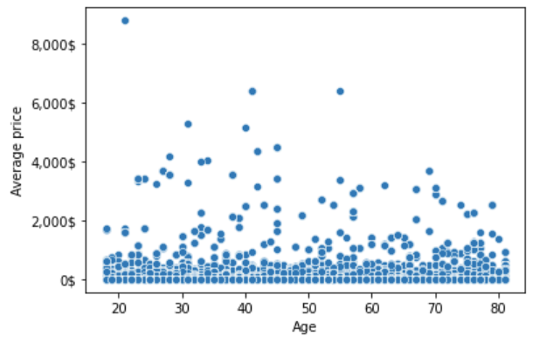

This is the Age and spending habit of customers, from what I could tell, they have no relationship

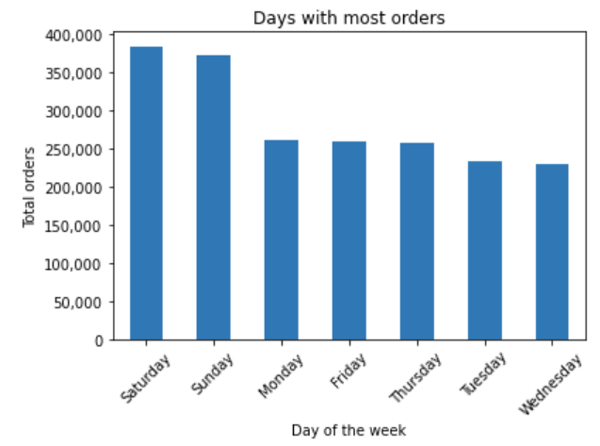

 |  |  |  |  | This chart shows department id and their day of week, as we can see, instacart should expect more orders in Sunday and Saturday while they should expect least orders on Tuesday and Wednesday

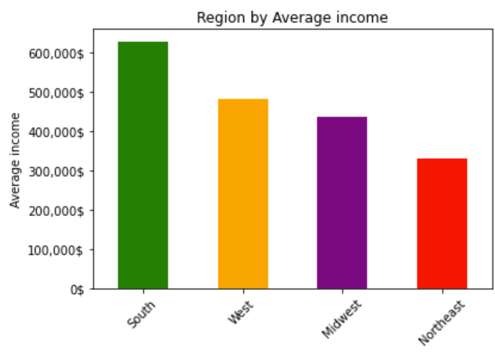

 | The barchart is showing region in USA and their avareage income, South have the highest while Northeast have the lowest, instacart can use this to plan their marketing or subscription rate

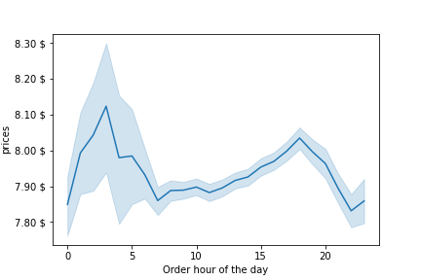

 |  | The line chart show us whch time or hour of the day have the highest traffic of order, instacart can ue this to plan for the staff needs , this will help reduce cost as well

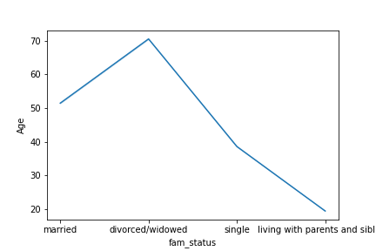

 |  |  |  | This line chart show the status and age , this can also help to know whch customer to targed with some ads or movies

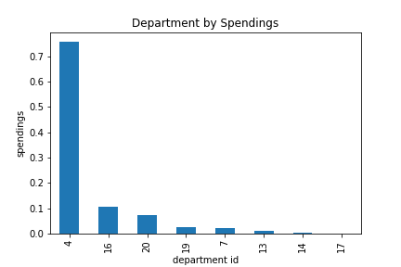

 |  |  | This bar charts shows the department that sells most, as we can see, department 4 which is the produce depatment sell more than other department combined, while department 17 is the least selling, this can help the firm make the right decision on re-stocking of their inventory

7. Recommendations
 | Title page

Recommendations

In this tab you should include any recommendations you would made to Instcart in terms of their marketing strategy based on the questions posed in the brief. Every key question has been covered in the Tasks of the Exercises - here you need to add an item - a visualisation or table/crosstable that is showing the answer in the data, acompanied by a comment from you. Please, list the questions below and add the answer underneath.

Question
What days of the week are the most and least orders made ?
Which department sells more or less?
What period/ hour of the day is more or less orders made?

Recommendation

I will suggest that instacart should make more staffs available on Saturdays and Sundays, while they should reduce them on Tuesday and Wednesday, this will help reduce cost.
My findings also show that the produce department is the best selling, it outsells others by many folds, so the firm should restock their inventory base on these so they are not
short of orders and so they do not have more than enough orders, this will help prevent food wastes and will in turn reduce the operating cost.
Instacart should also take note of the peak hours, this is very important more staffs should be made available during this expected peak hours while fewer staffs should be available
during the hours will fewer orders.

